Environment Details
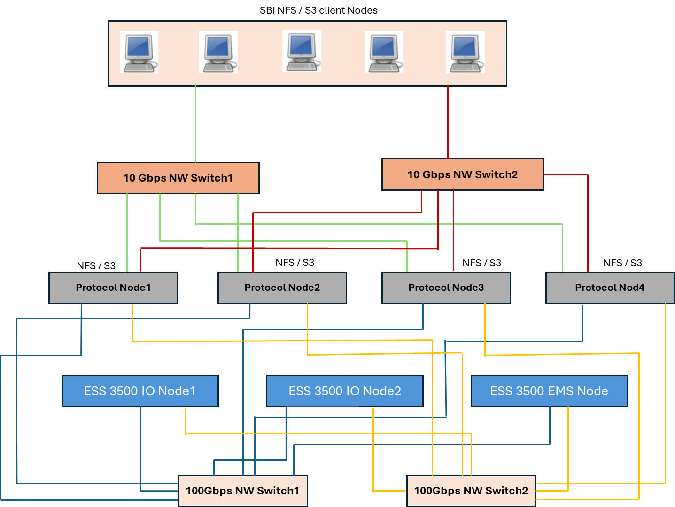

SCD Hardening Required for Following equipment (Total 7 Nodes running RHEL 9.x)

IBM ESS 3500 Runing RHEL 9.x having 3 nodes as follow
1> ESS IO Node1
2> ESS IO Node2
3> ESS EMS Node

Storage Scale Protocol Node running RHEL 9.x serving NFS and Object to end clients

1> Protocol Node1
2> Protocol Node2
3> Protocol Node3
4> Protocol Node4

